Control Total
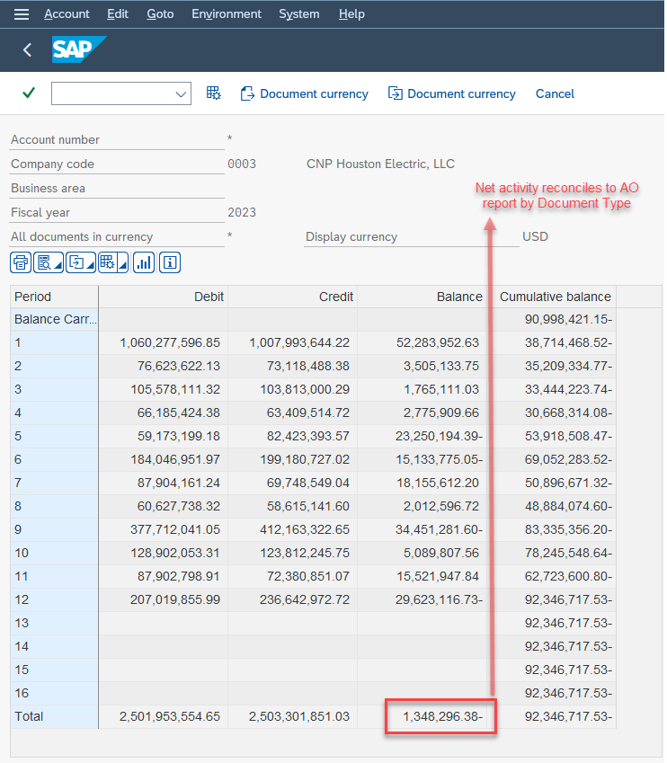
 |  | Amount
 | G/L Account | 120010 | 200010 | Overall Result
Company Code | Document Type | $ | $ | $
0003 | AB | 593,733.44 | -1,376,514.98 | -782,781.54
 | AC | 19,796.99 | -16,348,176.93 | -16,328,379.94
 | CO | 76,194,464.34 | -324,722,587.97 | -248,528,123.63 | [1]
 | ER | 903,671.48 | -2,285,414.52 | -1,381,743.04
 | KA | 14,751.83 | -60,773,168.30 | -60,758,416.47
 | KG | 50,042.48 | -32,450.47 | 17,592.01
 | KI | 854,081.27 | -57,610.63 | 796,470.64
 | KN | 1,429,461.29 | -3,607,950.07 | -2,178,488.78
 | LC | 885,000,000.00 | -367,400,000.00 | 517,600,000.00
 | LF | 14,082.30 | -248.12 | 13,834.18
 | LG |  | -360.12 | -360.12
 | LX |  | -239,876,069.92 | -239,876,069.92
 | PA | 16.07 | -193,060.96 | -193,044.89
 | RC | -489,131.76 | 18,651,896.07 | 18,162,764.31
 | RN | 9,567,931.37 | -6,648,539.40 | 2,919,391.97
 | RS | 73,320.40 | -3,529,243.03 | -3,455,922.63
 | SA | 30,710,358.64 | -79,243,279.19 | -48,532,920.55
 | SC | 304,153.59 | -26,533,992.20 | -26,229,838.61
 | SE | -1,254,270,113.45 | 32,816,804.88 | -1,221,453,308.57
 | TP |  | -27,681,683.00 | -27,681,683.00
 | WA | 502,631.33 | -352,583.69 | 150,047.64
 | WE | 2,531.86 |  | 2,531.86
 | WL |  | -197.33 | -197.33
 | WT |  | 367,400,000.00 | 367,400,000.00
 | ZE | -66,842,242.03 | 1,055,812,592.06 | 988,970,350.03
 | ZP |  | 0.00 | 0.00
Overall Result |  | -315,366,458.56 | 314,018,162.18 | -1,348,296.38 | [2]

[1] Ties to CEHE Affiliate Allocations CY 2023 (Net From and To Affiliates)

[2] Ties to SAP GL 120010 and 200010

PASS THROUGH TOTAL (DOC Types excluding CO and ZE) |  |  |  | (741,790,522.78) | [A]

PASS THROUGH Balance Sheet GL Accts - Exclude | Balance Sheet GL Accts - Exclude |  |  | (666,734,050.38) | [B]

PASS THROUGH Incomce Statement GL Accts - Include | Incomce Statement GL Accts - Include |  |  | (75,056,472.40) | [A] - [B] = [C]

CO DOC TYPES - Include |  |  |  | (248,528,123.63) | [D]

Net IC Actvity for V-K-1 and other V-K schedules |  |  |  | (323,584,596.03) | [C] + [D]

